Sprint 1 Backlog and Burndown
 | Class | CST-247
 | Developers | Jay Wilson Chase Hausman Jackie Adair Nathan Ford Richard Boyd
 | Description | Minesweeper Web Application Scrum
 | Date | 2019-02-24
Minesweeper - Sprints
Sprint Dates: February 25 - March 3, 2019
 |  |  |  |  |  | Available working hours in the sprint |  |  |  | Days in sprint: | 4.5
 |  |  |  |  |  |  | M | Tu | W | Th | F | Total
 |  |  |  |  |  | Developers | <DD> Sprint Planning | <DD> Sprint Planning | <DD> Sprint Planning | <DD> Sprint Planning | <DD> Sprint Review + Retrospective
Burndown: Hours & Points Remaining
 |  |  |  |  |  | Jay Wilson | 3 | 4 | 3 | 2 | 2 | 14
 |  |  |  |  |  | Chase hausman | 3 | 3 | 3 | 3 | 2 | 14
 |  |  |  |  |  | Jackie Adaire | 3 | 3 | 3 | 3 | 2 | 14
 |  |  |  |  |  | Nathan Ford | 2 | 2 | 2 | 2 | 2 | 10
 |  |  |  |  |  | Richard Boyd | 2 | 2 | 2 | 2 | 2 | 10
 |  |  |  |  |  |  |  |  |  |  | Total sprint hours: | 62
 |  |  |  |  |  |  |  |  |  |  | Total per day: | 14

Feature Burndown - Based on estimated hours remaining
 |  |  |  |  |  |  | M | Tu | W | Th | F
ID | Task | Description | Acceptance Criteria | Type | Story Points | Responsible | <DD> Sprint Planning | <DD> Sprint Planning | <DD> Sprint Planning | <DD> Sprint Planning | <DD> Sprint Review + Retrospective | Done (Y) | Accepted (Y/N)
0001 | Registration Page | As a user, I want to create an account. | When I create an account, I can login to the service. | Requirement | 20 | All | 20 | 20 | 20 | 20 | 20 | Y
 | Create registration model | User model to complete registration form. | Model must contain: First Name, Last Name, Gender, Age, State, Email, Username, and Password | Required | 5 | Richard Boyd | 5 | 4 | 3 | 2 | 0
 | Create registration form page. | Presentation of form. | All User Model fields functioning and validated properly. | Required | 3 | Nathan Ford | 3 | 2 | 2 | 1 | 0
 | Create Registration Controller | Controller to complete the Registration form. | Controller must connect Registration Form to additional connected forms (success / error) | Required | 4 | Jay Wilson | 4 | 4 | 3 | 1 | 0
 | Build Serverside Validation | Validation for user signup. | Server-side validation of user credentials. | Required | 2 | Chase Hausman | 2 | 2 | 1 | 1 | 0
 | Build SQL Server Database | Database to contain user information. | Relational database built in SQL Server containing all user details as outlined by User Model. | Required | 2 | Jackie Adaire | 2 | 2 | 1 | 1 | 0
 | Create Database Service | Service to access database from Controller. | Service accesses and contains all necessary SQL statements usable by any calling controller. | Required | 4 | Jay Wilson | 4 | 4 | 3 | 2 | 0

0002 | Login Form | As a validated user, I want to login to the service. | When I login, my credentials are validated and I am granted access. | Requirement | 11 | All | 11 | 11 | 11 | 11 | 11 | Y
 | Build Login Controller | Controller to validated user. | Controller to access the database service and validates the user's credentials. | Required | 4 | Jay Wilson | 4 | 3 | 3 | 1 | 0
 | Build Login Form | Presentation of form. | Username and password accepted and all items hooked to controllers for access control. | Required | 3 | Chase Hausman | 3 | 2 | 2 | 1 | 0
 | Build Login Database Service | Controller to access database for login Controller. | Controller accesses the database and retrieves information for validation. | Required | 4 | Jackie Adaire | 4 | 4 | 4 | 1 | 0

Actual Hrs Remaining |  |  |  |  |  |  | 31 | 27 | 22 | 11 | 0
Schedule Hrs Remaining |  |  |  |  |  |  | 31 | 23 | 16 | 8 | 0
 |  |  |  |  |  | Day: | 1 | 2 | 3 | 4 | 5
Issues
Team Member
N/A

Sprint 2 Backlog and Burndo (2)
 | Class | CST-247
 | Developers | Jay Wilson Chase Hausman Jackie Adair Nathan Ford Richard Boyd
 | Description | Minesweeper Web Application Scrum
 | Date | 2019-02-24
Minesweeper - Sprints
Sprint Dates: February 18 - February 24, 2019
 |  |  |  |  |  | Available working hours in the sprint |  |  |  | Days in sprint: | 4.5
 |  |  |  |  |  |  | M | Tu | W | Th | F | Total
 |  |  |  |  |  | Developers | <DD> Sprint Planning | <DD> Sprint Planning | <DD> Sprint Planning | <DD> Sprint Planning | <DD> Sprint Review + Retrospective
Burndown: Hours & Points Remaining
 |  |  |  |  |  | Jay Wilson | 4 | 2 | 2 | 4 | 2 | 14
 |  |  |  |  |  | Chase hausman | 5 | 3 | 4 | 4 | 2 | 18
 |  |  |  |  |  | Jackie Adaire | 6 | 3 | 4 | 5 | 3 | 21
 |  |  |  |  |  | Nathan Ford | 2 | 2 | 2 | 3 | 4 | 13
 |  |  |  |  |  | Richard Boyd | 2 | 3 | 2 | 3 | 5 | 15
 |  |  |  |  |  |  |  |  |  |  | Total sprint hours: | 81
 |  |  |  |  |  |  |  |  |  |  | Total per day: | 18

Feature Burndown - Based on estimated hours remaining
 |  |  |  |  |  |  | M | Tu | W | Th | F
ID | Task | Description | Acceptance Criteria | Type | Story Points | Responsible | <DD> Sprint Planning | <DD> Sprint Planning | <DD> Sprint Planning | <DD> Sprint Planning | <DD> Sprint Review + Retrospective | Done (Y) | Accepted (Y/N)
0001 | Create Minewseeper Board | As a user, I want to play Minesweeper | When I login, I can play minesweeper. | Requirement | 27 | All | 27 | 27 | 27 | 27 | 27
 | Create View | Build View | View must interact with user. | Required | 3 | Richard Boyd | 3 | 3 | 3 | 3 | 3
 | Create Game Board | Build Game Board class. | Gameboard must provide basic game view ofboard. | Required | 8 | Nathan Ford | 8 | 8 | 8 | 8 | 8
 | Create Game Logic | Build Game Logic | Game logic class must handle all items related to game logic. | Required | 9 | Jay Wilson | 9 | 9 | 9 | 9 | 9
 | Build Controls | Build controls. | Build controls for the game board to use logic. | Required | 7 | Chase Hausman | 7 | 7 | 7 | 7 | 7

Actual Hrs Remaining |  |  |  |  |  |  | 27 | 24 | 16 | 4 | 0
Schedule Hrs Remaining |  |  |  |  |  |  | 27 | 20 | 14 | 7 | 0
 |  |  |  |  |  | Day: | 1 | 2 | 3 | 4 | 5
Issues
Team Member
N/A

Sprint 3 Backlog and Burndown
 | Class | CST-247
 | Developers | Jay Wilson Chase Hausman Jackie Adair Nathan Ford Richard Boyd
 | Description | Minesweeper Web Application Scrum
 | Date | 2019-02-24
Minesweeper - Sprints
Sprint Dates: February 18 - February 24, 2019
 |  |  |  |  |  | Available working hours in the sprint |  |  |  | Days in sprint: | 4.5
 |  |  |  |  |  |  | M | Tu | W | Th | F | Total
 |  |  |  |  |  | Developers | <DD> Sprint Planning | <DD> Sprint Planning | <DD> Sprint Planning | <DD> Sprint Planning | <DD> Sprint Review + Retrospective
Burndown: Hours & Points Remaining
 |  |  |  |  |  | Jay Wilson | 4 | 2 | 2 | 4 | 2 | 14
 |  |  |  |  |  | Chase hausman | 5 | 3 | 4 | 4 | 2 | 18
 |  |  |  |  |  | Jackie Adaire | 6 | 3 | 4 | 5 | 3 | 21
 |  |  |  |  |  | Nathan Ford | 2 | 2 | 2 | 3 | 4 | 13
 |  |  |  |  |  | Richard Boyd | 2 | 3 | 2 | 3 | 5 | 15
 |  |  |  |  |  |  |  |  |  |  | Total sprint hours: | 81
 |  |  |  |  |  |  |  |  |  |  | Total per day: | 18

Feature Burndown - Based on estimated hours remaining
 |  |  |  |  |  |  | M | Tu | W | Th | F
ID | Task | Description | Acceptance Criteria | Type | Story Points | Responsible | <DD> Sprint Planning | <DD> Sprint Planning | <DD> Sprint Planning | <DD> Sprint Planning | <DD> Sprint Review + Retrospective | Done (Y) | Accepted (Y/N)
0001 | Create Minewseeper Board | As a user, I want to play Minesweeper | When I login, I can play minesweeper. | Requirement | 27 | All | 27 | 27 | 27 | 27 | 27
 | Finish Game Logic | Build View | View must interact with user. | Required | 3 | All | 3 | 3 | 3 | 3 | 3

Actual Hrs Remaining |  |  |  |  |  |  | 27 | 27 | 27 | 27 | 27
Schedule Hrs Remaining |  |  |  |  |  |  | 27 | 20 | 14 | 7 | 0
 |  |  |  |  |  | Day: | 1 | 2 | 3 | 4 | 5
Issues
Team Member
N/A

Design Report
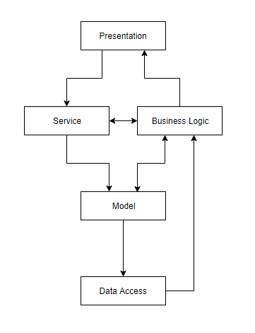
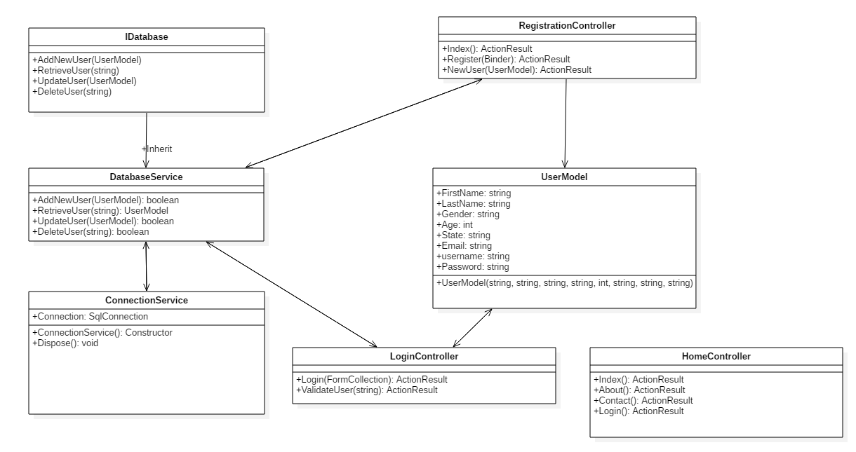
 | Class | CST-247
 | Developers | Jay Wilson Chase Hausman Jackie Adair Nathan Ford Richard Boyd
 | Description | Minesweeper Web Application Scrum
 | Date | 2019-02-17

User Stories |  | Completed | Issues | On Time?
As the user, I want to be able to enter my user name and password so that I can access the application. |  | Yes | User registration went smoothly, and there seemed to be no other issues related to logging in. | Yes
As the user, I want to be able to register for the system so I that I can access the web application. |  | Yes | There were some issues with getting the views and controllers hooked, but all has been completed on time. | Yes
As the user, I want to be able to play Minesweeper. |  | Next Week | N/A | N/A

Current Diagram |  |  | Class Diagram

